1. Title Page
[Project Name]

Project Name: Instacart Grocery Basket Anaylsis
Date: 3/10/2024
Analyst Name: Ken Whitney

Contents: | Citations
Population Flow | 1. The Instacart Online Grocery Shopping Dataset 2017, Accessed from www.instacart.com/datasets/grocery-shopping-2017 via Kaggle on 18-02-2024.
Consistency checks
Wrangling steps | 2. Data on customers and the "prices" column in the 'products' dataset were fabricated for the purpose of this analysis.
Column derivations
Visualizations
Recommendations

2. Population Flow
 |  | Title page

Population flow

Exclusion flag
Condition: max_order < 5
Final total count of final_high_activity_set: 753400

Orders_products_combined
Orders_products_merged
Final_high_activity_set

Total:
Total:
32434489
Total:
32406041 | 753400

3. Consistency checks
 |  |  |  | Title page
Consistency checks

Dataset | Missing values | Missing values treatment | Duplicates
orders | 206209 missing values in days_since_proir_order column | Since they repsented the first order of each used, missing values were replaced with a '0'
products | 16 | Removed from Dataframe | Removed 5 duplicate values
orders_products_prior
customers

4. Wrangling steps
 |  |  |  | Title page
Wrangling steps

Columns dropped | Columns renamed | Columns' type changed | Comment/Reason
eval_set from orders | in orders- orders_dow to orders_days_of_week | Transformed df_dep from long to wide form, added headers and reformated
 |  | Changed order_id from numeric value to a string
 |  | Changed user_id from numeric to string (in df_ords)
"Unnamed" from df_prods
 | columns renamed in df_customer_data 'Surnam' to 'Last_Name', 'fam_status' to'family_status','STATE'to 'State,'n_dependants' to 'dependants', | in df_customer_data date_joined column which we want to swtich to a date data type

5. Column derivations
 |  |  |  | Title page

Column derivations and aggregations

In this tab you should add tables below that the frequences of flags/label variables that you produced after deriving them. NB: don't do this for continuous variables, only for flags.
Dataset | New column | Column/s it was derived from | Conditions
df_prods_ords_merge | price_range_loc |  | high-range product: price > 15
 |  | prices | low-range produce price <5
 |  |  | mid-range product: price > 5 and <= 15
ord_prod_merge | Busiest_Days | order_day_of_week | Busiest: order day of week is 0 (Sunday) or 1 (Monday) Regularly busy: order day of week is 2 (Tuesday), 5 (Friday) or 6 (Saturday) Slowest Days: order day of week is 3 (Wednesday) or 4 (Thursday)
ord_prod_merge | Busiest _period_of_day | order_hour | most orders: order hours 10, 11, 14 and 15, 13, 12, 16 and 9 average orders: order hour is 17, 8, 18, 19, 20, 7, 21 and 22 least orders: order hours 23, 6, 0, 1, 5, 2, 4, 3
ord_prod_merge | loyalty_flag | max_order | New customer: max order <= 10 Regular customer: > 10 and <= 40 Loyal customer: max order > 40
ord_prod_merge | spending_flag | mean_product_price | high spender: spending mean >= 10 low spender: spending mean < 10
ord_prod_merge | order_frequency | days_since_prior_order | non-frequent: days since prior order > 20 regular: days since prior order <= 20 and > 10 frequent: days since prior order < = 10
orders_products_combnied | region | state | state within Region defined by United States Census Bureau*
df_high_activity | customer_profile | age and income | Create profiles based age and income.
 |  |  | Low income young adult. >=age 18 and <= age 33, Income >= 25955 and <= 67487
 |  |  | Low income middle age. Age >33 and <66, Income >=25955 and <= 67487
 |  |  | Low Income senior. Age >=66 and <= 81, Income >=25955 and <= 67487
 |  |  | Mid income young adult. Age >=18 and <= 33. Income > 67,487 and < 128,145
 |  |  | Mid Income middle age. Age >33 and <66, Income > 67,487 and < 128,145
 |  |  | Mid income senior. Age >=66 and <=81, Income > 67,487 and < 128,145
 |  |  | High income young adult. Age >= 18 and <=33, Income >= 128145 and <= 593,901
 |  |  | High income middle age. Age >33 and < 66, Income >= 128145 and <= 593,901
 |  |  | High income senior. Age >=66 and <=81, Income >= 128145 and <= 593,901

6. Visualizations & Recs
Title page

Visualisations

In this tab you should include all the visualtions from Exercises 4.9 and 4.10, alongside the questions from the project brief that they answer. Include any commentary on the relationship between different variables.



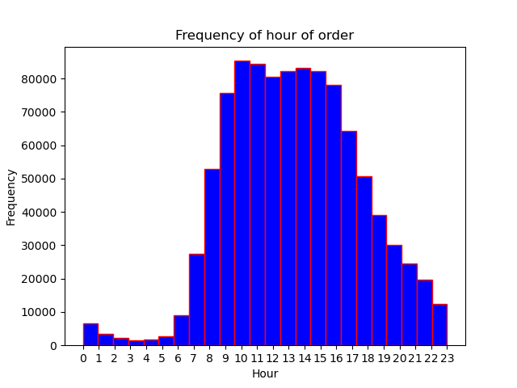

These graphs show the days and times that the most orders are made on Sunday (0) and Monday (1) with the fewest orders made on Wednesday (3) and Thursday (4). The frequent chart also shows that the most orders are placed between 10:00 and 16:00 (4:00 PM). My recommendation would be to offer promotions to encourage people to use Instacart during times that our not as popular, such as Wednesday and Thursday, and in the evening hours. I would also recommend taking a look at why these trends exist, along with if Instacart has enough drivers out to meet demand at different times.

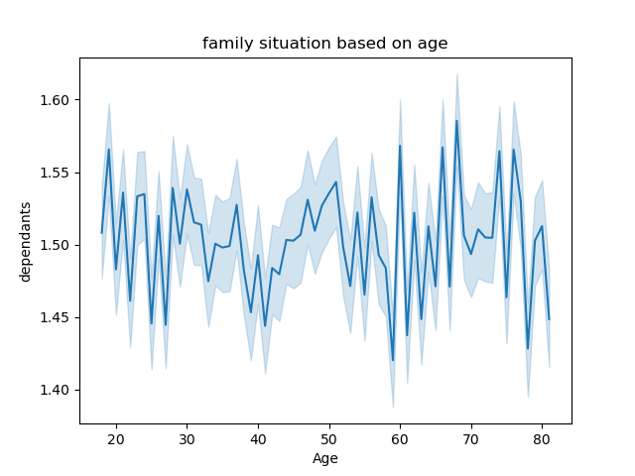

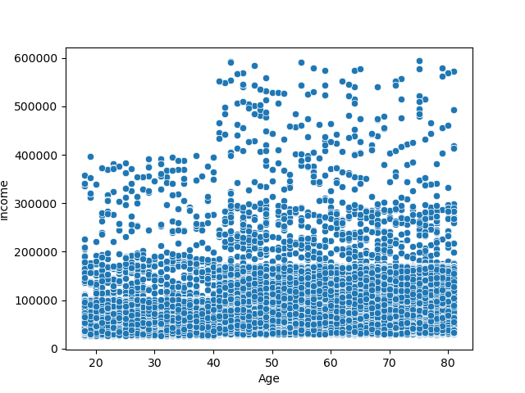

This scatterplot shows the relationship between age and income of instcart customers. It shows that earners making over 400000 a year are almost exclusivly over 40 years old. It also shows as income increases above 200,000 that there are fewer users overall.

This line plot shows there is not much of a correlation between age and number of dependants

These two graphs look at the demographics of Instacart users. Based off the fact that there is not much of a correlation between age and number of dependent amoung Instacart users, I would recomemed exporling if it iss worth increasing the push to advertise/proitize famlies as a way to boost sales, as famlies are likley to place larger orders.
The second graph shows that almost all teh high income earmers are over the age of 40, and that the number of users decreases as yearly income gets above $200,000. Examining mroe why this is the case and making a push to target higher income induviduals could lead to an increase in sales.

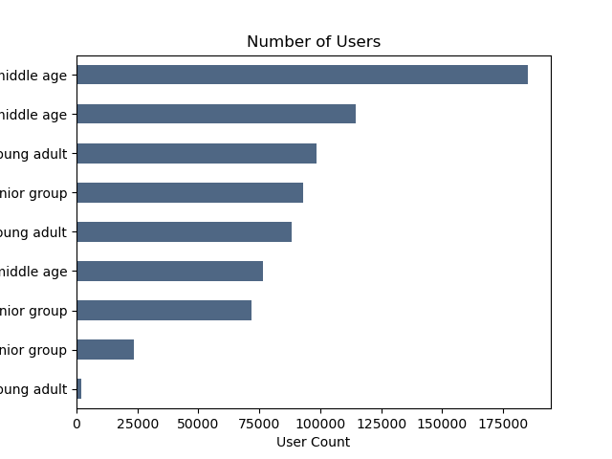

This graph shows the demographic split of users. mid-income middle age has the highest amount of users, followed by high income middle age. As these are the most popular demographics, it be would be worth looking more into their particular preferences and seeing what will cause them to continue to use the services Instacart provides.

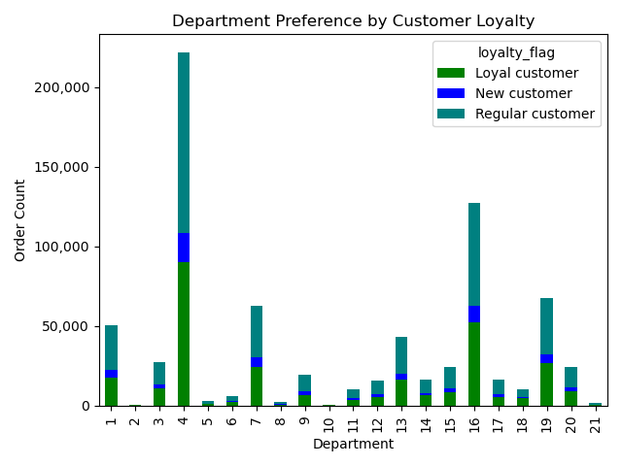
From this graph you can clearly see which type of customers order from each department. Cross listing it from the data dictionary above, it looks like produce, dairy and snacks are the three largest categories of Instacart’s business, and that the ratios throughout the departments are relatively the same for the types of customers ordering. Instacart should therefore work with suppliers to make sure that these depeartments are well designed and easy for shoppers to quikly find the goods desired by customers on the app.

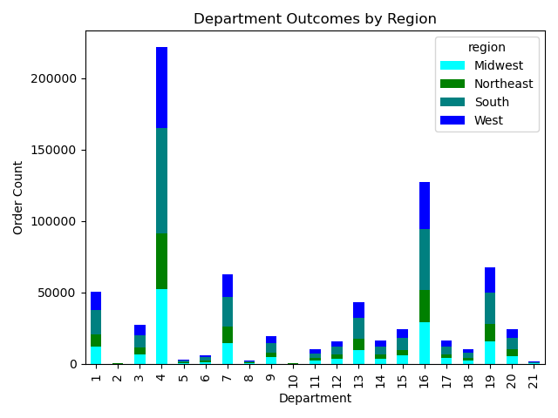
From the chart and graph, we can see that there is not a major change in what people order on Instacart based on region. Each region makes up relatively the same amount of sales. Looking at the top 6 categories based of sales (1- frozen, 4- produce, 7- beverages, 13-pantry, 16- dairy, and 19- snacks) you see that each category the percentage from each region is within half a percentage point of being the same ratio.
Therefore, Instacart should not focus on one region more than any other, but should spread out its advertising and focus. It is also important to monitor these trends and adjust accordingly if any differences in reginal preferences are found.

